MC_SIM
-10000000 | 0%
-9200000 | 0%
-8400000 | 0%
-7600000 | 0%
-6800000 | 0%
-6000000 | 0%
-5200000 | 0%
-4400000 | 0%
-3600000 | 0%
-2800000 | 0%
-2000000 | 0%
-1200000 | 1%
-400000 | 3%
400000 | 4%
1200000 | 6%
2000000 | 6%
2800000 | 8%
3600000 | 6%
4400000 | 9%
5200000 | 7%
6000000 | 8%
6800000 | 6%
7600000 | 7%
8400000 | 5%
9200000 | 4%
10000000 | 3%
10800000 | 3%
11600000 | 3%
12400000 | 3%
13200000 | 2%
14000000 | 2%
14800000 | 1%
15600000 | 1%
16400000 | 1%
17200000 | 1%
18000000 | 0%
18800000 | 0%
19600000 | 0%
20400000 | 0%
21200000 | 0%
22000000 | 0%
22800000 | 0%
23600000 | 0%
24400000 | 0%
25200000 | 0%
26000000 | 0%
26800000 | 0%
27600000 | 0%
28400000 | 0%
29200000 | 0%
...
Uncertaincy Variables
 | Min | Max | RAND
Construction Cost | 950000 | 1500000 | 1417317.2412
Nominal Discount Price | 7% | 20% | 0.080756453586
Production cost | 0.5 | 1 | 0.86050268308
Selling Price | 1 | 2.5 | 2.2181655233
Inflation Rate | 3% | 8% | 0.062676973725

Simulation Runs | 1000

Minimum NPV | -1047648.662
Maximum NPV | 23596717.262
Standard Deviation | 4361993.0567
Share of Negetive NPVs | 2%
Share of Positive NPVs | 98%
Expected NPVs | 6196800

sensitivity
 |  | Output 1 |  |  |  |  |  |  |  |  |  |  | Output 2
Factors |  | -50% | -40% | -30% | -20% | -10% | 0% | 10% | 20% | 30% | 40% | 50% | -50% | -40% | -30% | -20% | -10% | 0% | 10% | 20% | 30% | 40% | 50%
Investment | 1 | 8848858 | 8106648 | 7364438 | 6622227 | 5880017 | 5137807 | 4395597 | 3653386 | 2911176 | 2168966 | 1426756 | 25.4% | 21.6% | 18.6% | 16.3% | 14.3% | 12.7% | 11.3% | 10.0% | 9.0% | 8.0% | 7.2%
Nominal Discount rate | 1 | 5137807 | 5137807 | 5137807 | 5137807 | 5137807 | 5137807 | 5137807 | 5137807 | 5137807 | 5137807 | 5137807 | 12.7% | 12.7% | 12.7% | 12.7% | 12.7% | 12.7% | 12.7% | 12.7% | 12.7% | 12.7% | 12.7%
Selling Price | 1 | -3480332 | -1756704 | -33076 | 1690551 | 3414179 | 5137807 | 6861435 | 8585062 | 10308690 | 12032318 | 13755946 | -0.1% | 3.0% | 5.7% | 8.2% | 10.5% | 12.7% | 14.7% | 16.6% | 18.5% | 20.2% | 21.9%
Cost Price | 1 | 7292342 | 6861435 | 6430528 | 5999621 | 5568714 | 5137807 | 4706900 | 4275993 | 3845086 | 3414179 | 2983272 | 15.2% | 14.7% | 14.2% | 13.7% | 13.2% | 12.7% | 12.1% | 11.6% | 11.1% | 10.5% | 10.0%
Estimated Sales first 3 years | 1 | 3614983 | 3919547 | 4224112 | 4528677 | 4833242 | 5137807 | 5442372 | 5746937 | 6051501 | 6356066 | 6660631 | 10.4% | 10.8% | 11.3% | 11.7% | 12.2% | 12.7% | 13.1% | 13.6% | 14.1% | 14.6% | 15.2%

Output 1
Output 2

Report

 | Report

Minimum NPV | -1047648.662
Maximum NPV | 23596717.262
Standard Deviation | 4361993.0567
Share of Negetive NPVs | 0.021
Share of Positive NPVs | 0.979
Expected NPVs | 6196800

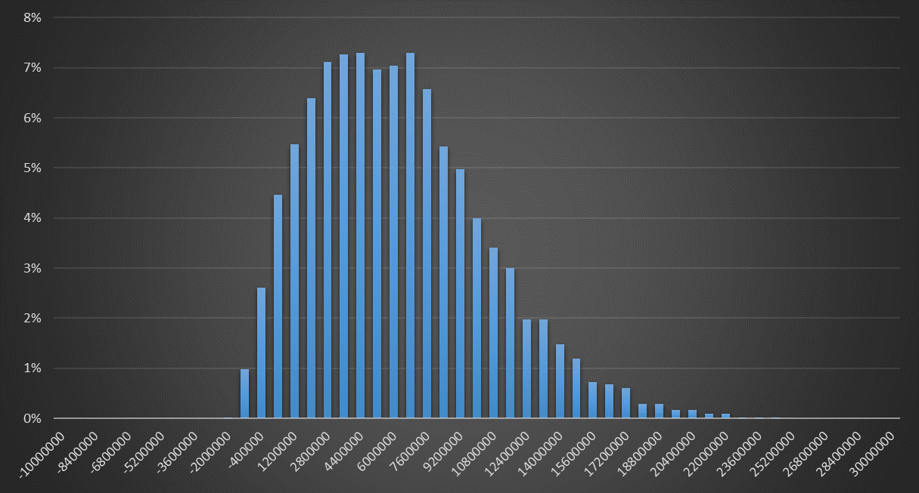

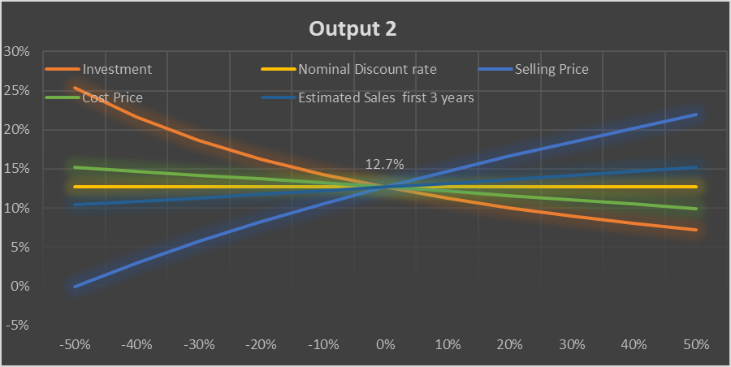

Scenario Summary
 |  | Current Values: | Optimistic | Pessimistic | Realistic
Changing Cells:
 | Cost_Price | 0.6 | 0.3 | 0.8 | 0.6
 | Selling_Price | 1.8 | 3 | 1 | 1.8
 | Tax_Rate | 20% | 15% | 25% | 20%
 | Estimated_Sales | 90000 | 1500000 | 50000 | 90000
 | Inflation_Rate | 5% | 3% | 8% | 5%
Result Cells:
 | $D$39 | 12.0 | 4.5 | 19.6 | 12.0

